Sheet1
2008 Toyota Rav4 Sport 2.4
OTHERS/TECHNICAL SERVICE BULLETINS
Your Vehicle: 2008 Toyota Truck RAV4 2WD L4-2.4L (2AZ-FE)

 | Vehicle » Maintenance » Fluids » Fluid - A/T » Technical Service Bulletins » Canada - A/T - World Standard Automatic Transmission Fluid

 | Canada - A/T - World Standard Automatic Transmission Fluid

Bulletin
T-TCI-3569R
Issue Date
14-May-11
Market
Canada
Title
WORLD STANDARD AUTOMATIC TRANSMISSION FLUID
Service Category
Drivetrain
Section
Automatic Transmission/Transaxle
Market
Canada
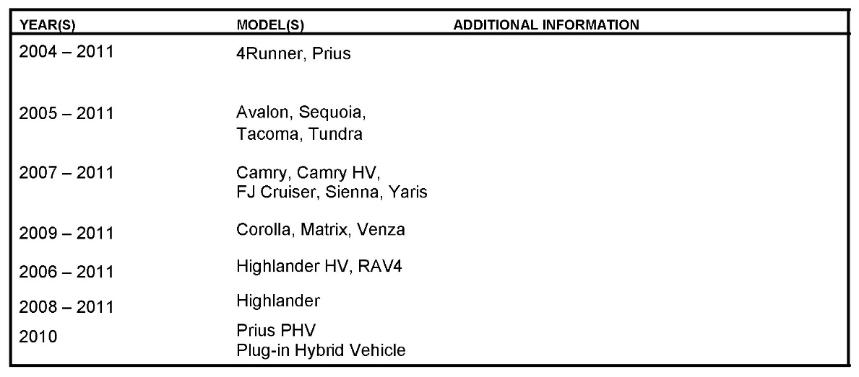

Applicability
TSB REVISION NOTICE
- | July 12, 2011: The introduction has been revised.
- | Parts information has been added.
- | Important information section has been revised.
Any previously printed versions of this TSB should be discarded.
TSB SUPERSESSION NOTICE
The information contained in this TSB supersedes TSB No. 1306.
- | Applicability has been updated to include 2009 - 2011 model year Toyota vehicles.
TSB No. 1306 is Obsolete and any printed versions should be discarded. Be sure to review the entire content of this service bulletin before proceeding.
Introduction
World Standard (WS) Automatic Transmission Fluid (ATF) has been introduced in certain Toyota vehicles since 2004 Model Year. Here are some important tips when working with ATF-WS in vehicles requiring its use.

Warranty Information

Parts Information

Required Tools & Equipment
NOTE
Additional SSTs may be ordered by calling SPX/OTC at 1-800-933-8335.
Important Information
- | Always refer to the Owner's manual Supplement for specific instructions on automatic transmission fluid replacement/inspection intervals.
- | The use of Genuine Toyota ATF-WS is recommended.
 | - | The use of additives or aftermarket fluids that are considered compatible or substitutes may result in shift concerns and damage to the internal transmission components.
 | - | ATF-WS is NOT compatible with T-IV or Dexron ATF.
- | Containers storing Toyota ATF-WS should ALWAYS be sealed - If exposed to the atmosphere, ATF-WS may absorb moisture and potentially cause shift concerns if used in operation.
- | One time use only.
 | - | When performing repairs on ATF-WS equipped transaxles, it is important to use only new, clean ATF-WS when refilling the ATM.
 | - | ATF-WS equipped ATMs may use the overflow type procedure - Any fluid drained from the overflow plug should be discarded following proper local regulations and never reused. Failure to do so could result in shift concerns and damage to the internal transmission components.
NOTE:
Issue of this Technical Service Bulletin is to ensure that proper repair information is available. IT DOES NOT CONSTITUTE AN AUTHORIZATION FOR REPAIR. Normal provisions of the formal warranty policy, as applicable, will apply.

